Sheet1 (2)
 | Defect Report
Defect ID | Test case ID | Description | Severity | Proofs (Screenshot) | Status | Remarks
DEF_001 | TC_MI_007 | As shown in the image as proof, no error message was shown when internet was disconnected. | High | 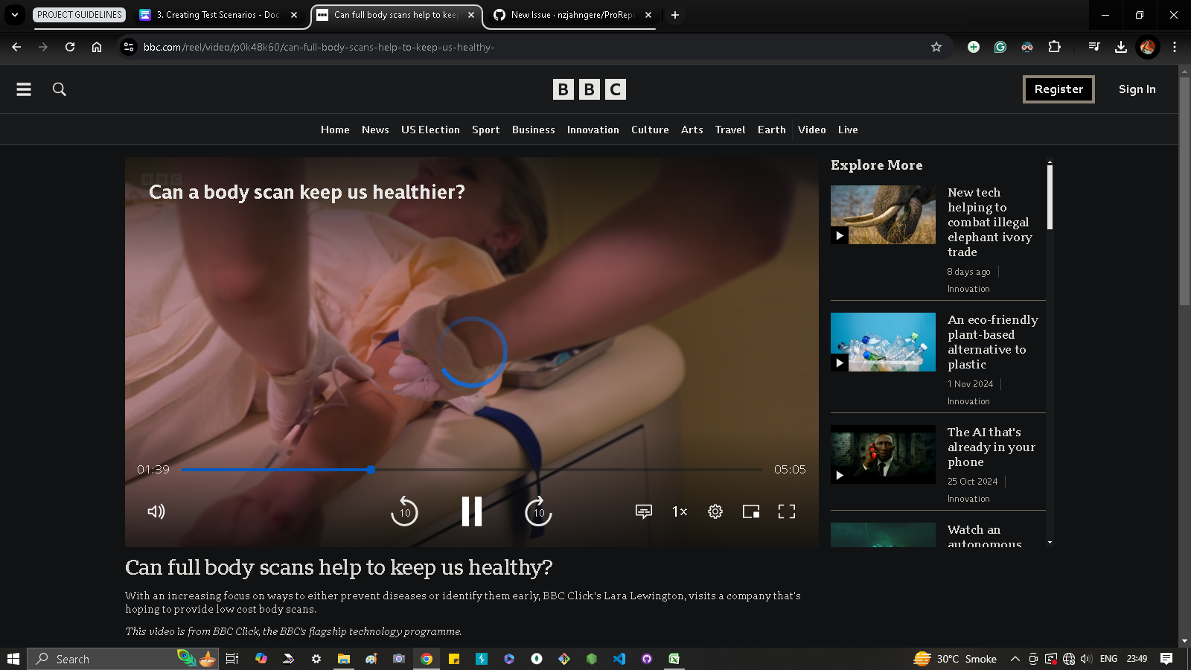 | Open | Needs to be fixed for a better user experience

Test summary
Total Test Cases |  | Executed | Passed | Failed | blocked
7 |  | 7 | 6 | 1 | 0

